Sheet1
Sr No. | MODEL NAME | Part Code | Batteries | MODEL | PHOTOS | Quantity | Colour 1 | Colour 2 | MRP | Selling Price | Selling without GST | Dealer Price (25%) | Wholesale | Distributor
1 | Helicopter | J716AV01C02 | 2*6V4.5AH | MJ716 |  | 200 | Blue | Green | 24,999 | 19,999 | 16,948 | 12,711 | 11,440 | 11,097 | -
3 | Batmobile | MJ70AV01C04 | 6V4.5AH*1 | MJ6508 | 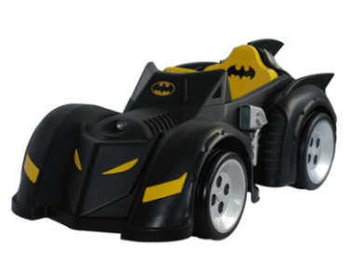 | NA | Black |  | 22,999 | 17,999 | 15,253 | 11,440 | 10,296 | 9,987 | -
4 | Fire Truck | MJ80AV01C03 | 6V7AH*2 | MJ8026 | 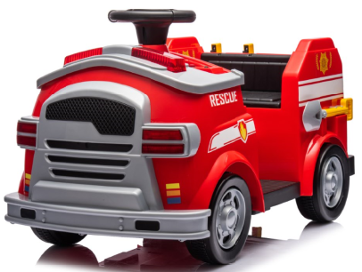 | 300 | Red |  | 19,999 | 14,999 | 12,711 | 9,533 | 8,580 | 8,323 | -
8 | Mercedes AMG GLC 63S Coupe | S568AV01C01 | 12V7AH | QLS-5688 | 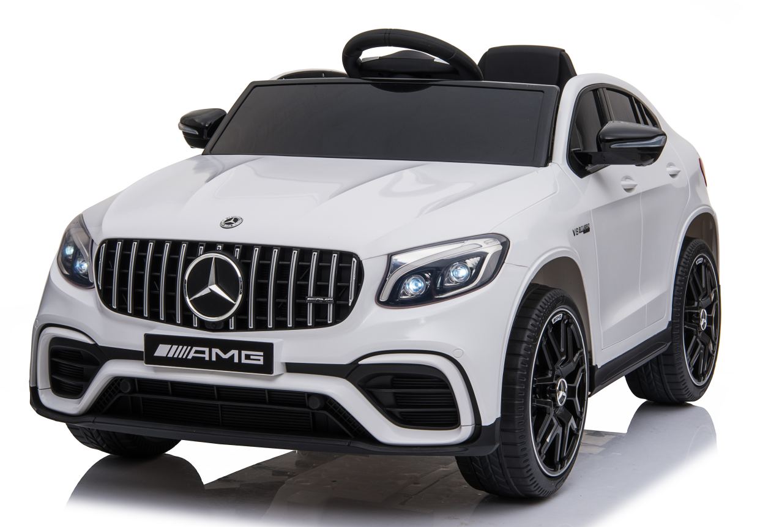 | 122 | White | Blue | 26,999 | 21,999 | 18,643 | 13,982 | 12,584 | 12,207 | -
9 | Vespa | A880AV01C02 | 12V7AH | A8820 12V VESPA Licensed Motorycle | 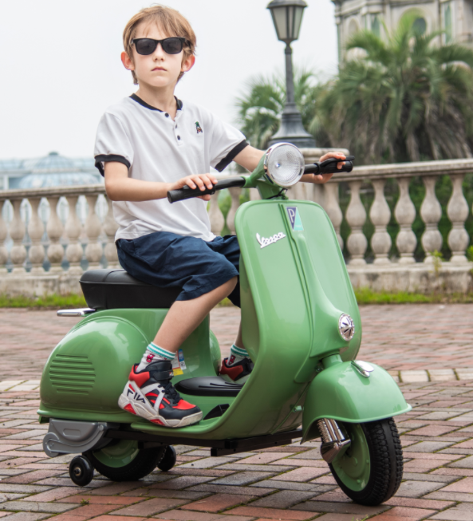 | 164 | Green | Blue | 29,999 | 24,999 | 21,186 | 15,889 | 14,300 | 13,871 | -
10 | Mercedes Benz GT4 AMG | SX19AV01C04 | 6V4.5AH*2 | SX1918 Mercedes Benz GT4 AMG | 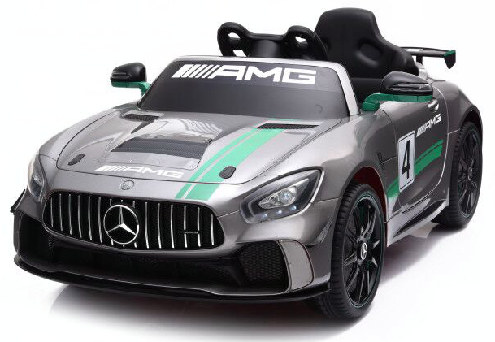 | 184 | Silver | Black | 26,999 | 24,999 | 21,186 | 15,889 | 14,300 | 13,871 | -
14 | Excavator | X626AV01C28 | 12V7AH | XMX626b |  | 224 | Yellow |  | 34,999 | 29,999 | 25,423 | 19,067 | 17,160 | 16,646 | -
19 | Bumper Car | JQ55AB01C15 | 12V4.5AH | JQ6055 |  | 122 | Red | Blue | 16,999 | 11,999 | 10,169 | 7,626 | 6,864 | 6,658 | -
 |  |  |  |  |  |  |  |  |  |  |  |  |  |  | -

